Sheet1
Purpose: In order for the Leadership Compentency (LC) ratings and comments to appear on the Pixel Perfect Talent Card (PPTC), the Employee Profile must be populated. This is a manual process will pull the LC ratings and comments from the performance form onto the Employee Profile where the Talent Card is generated.

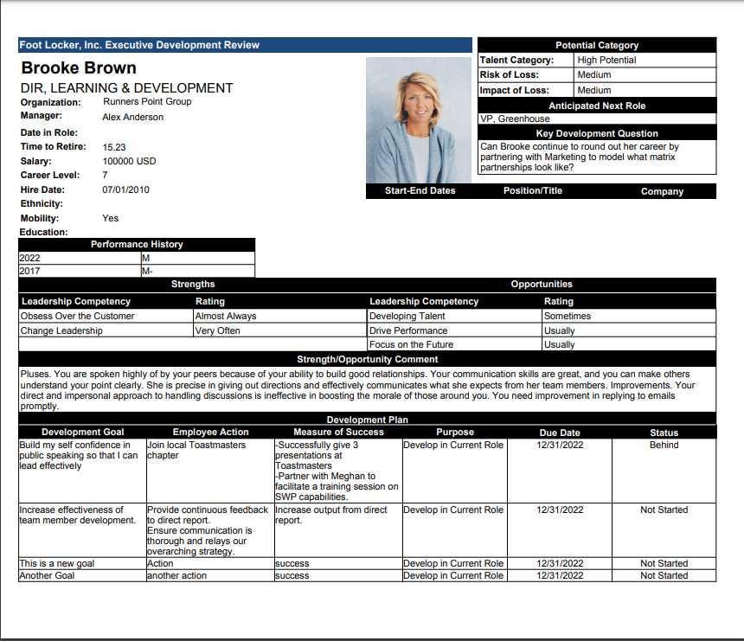
1. Performance Form | 2. Employee Profile | 3. Talent Card
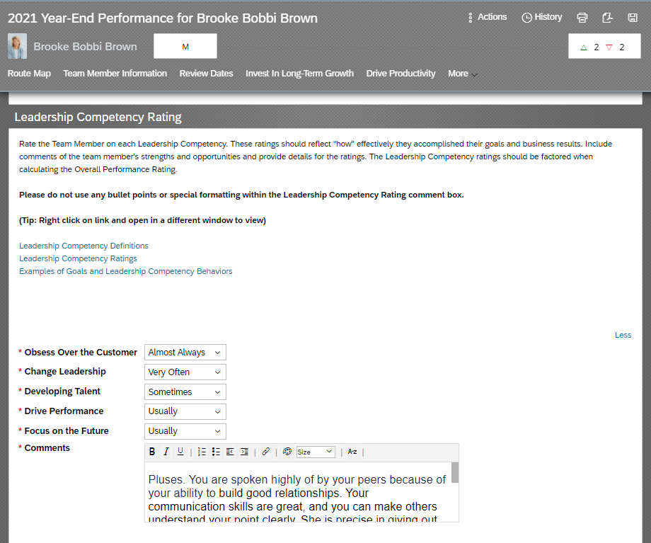
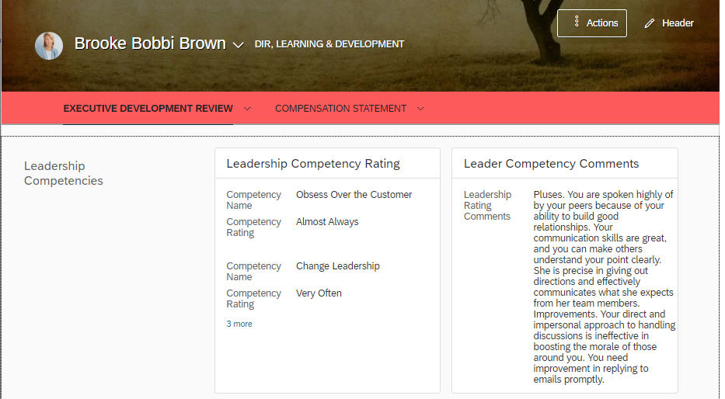

1. Run the PPT Ratings Upload to Profile and PPTC Comments Upload to Profile reports

1. As the GMPM Administrator, run the 1. PPT Ratings Upload to Profile and 2. PPTC Comments Upload to Profile reports

2. Open the PPTC Competency Upload templates.
Path to folder: J:\Human Resources\HRMS\General Projects\Success Factors\2021 Yr-End\Performance\PPTC Competency Upload Templates

3. Open the PPTC_Ratings_Test.csv template, make a copy and paste the copy into the Uploads folder.

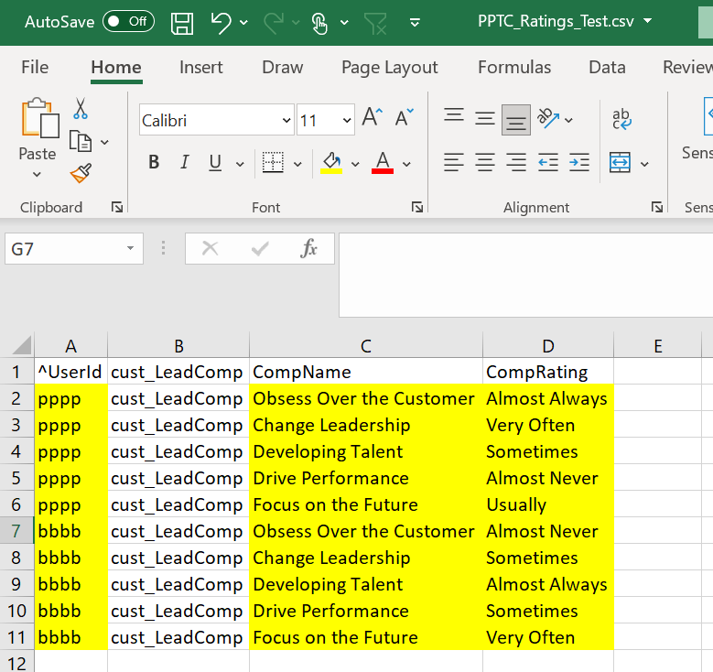

4. In the PPT Ratings Upload to Profile report, cut and paste the "UserID", "CompName" and "CompRating" columns into the template.
- Column B is "cust_LeadComp" for all rows.
- When necessary, add all leading zeros for the 6 character UserID

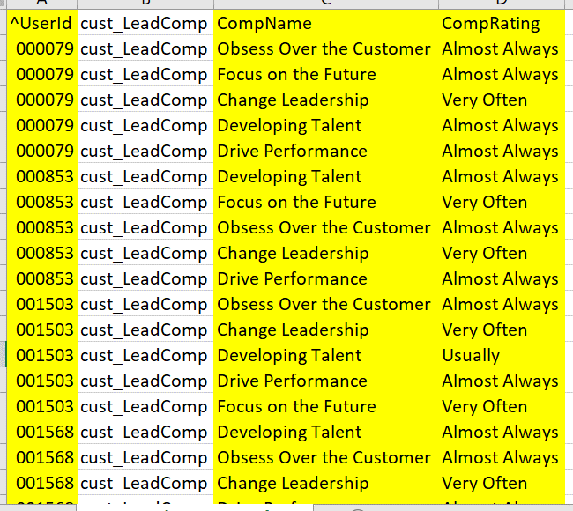

5. Save the file as a CSV format.

6. Open the PPTC_Comments_Test.csv template, make a copy and paste the copy into the Uploads folder.

7. If necessary, remove any special characters such as "<" in the comment fields that are a result of users copying and pasting text into the SuccessFactors.

8. From the PPTC Comments Upload to Profile report, cut and paste the "UserID" and "LeadCompComment" columns into the template.
- Column B is "cust_LeadCompComment" for all rows.
- When necessary, add all leading zeros for the 6 character UserID

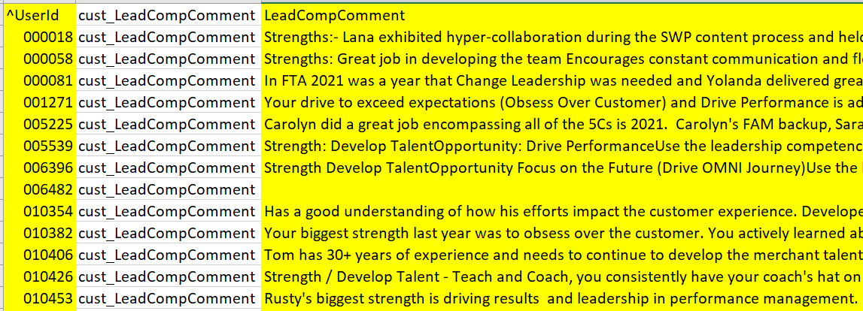

10. Save the file as a CSV format.

2. Import the Leadership Competency Ratings and Comments into the Employee Profile

11. In Admin Center, in Update User Information, goto Import Extended User Information.
Alternatively you can enter "Import Extended User Information" in the search box to access the page.
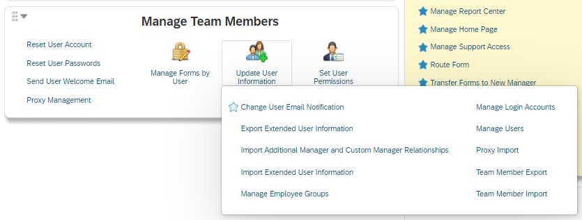

12. Click Choose File to select the file "PPTC_Ratings_Test.csv" file that you saved in step 5.

13. Set the import parameters:
- Specify the Type of Information You Want to Import = Background Information
- Specify Additional File Options = Import by overwriting existing data / Overwrite the data of users in the import file.
- If necessary, uncheck "Stop import if invalid users found"
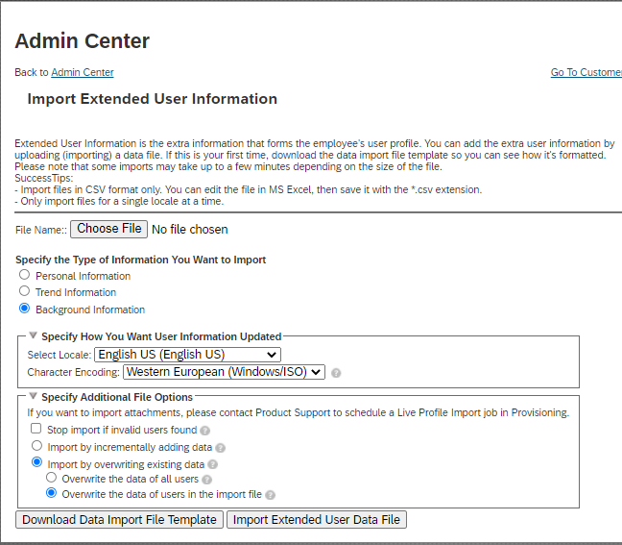

14. Click Import Extended User Data File.

15. You will receive an email notification to confirm your file has been completed or encountered an error. Wait for this email notification before continuing to the next step.

16. Repeat steps 10 through 12 for your copy of the "PPTC_Comments_Test.csv"

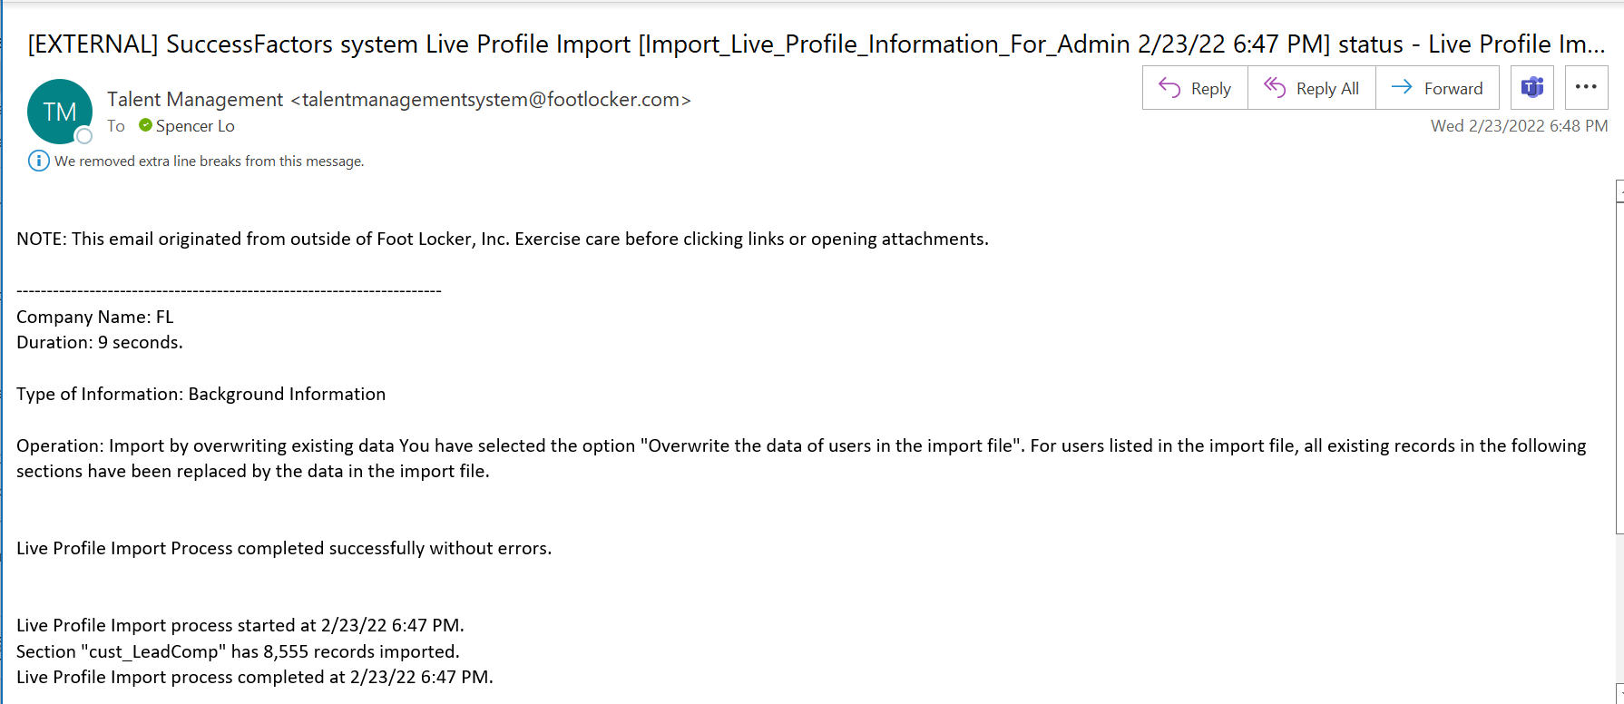

END

